Contact Stress Chart
Contact Stresses
 | sigma x (MPA) | sigma y (MPA) | sigma z (MPA) | shear | Von Mises Stress
0 | -1.06E+01 | -13.979350369 | -13.979350369 | 1.68E+00 | 3.36E+00
0.1 | -9.61E+00 | -11.392302909 | -13.909973512 | 2.15E+00 | 3.74E+00
0.2 | -8.71E+00 | -9.2127711496 | -13.707880831 | 2.50E+00 | 4.77E+00
0.3 | -7.90E+00 | -7.4123410746 | -13.389789234 | 2.74E+00 | 5.75E+00
0.4 | -7.19E+00 | -5.9494609871 | -12.979500972 | 2.89E+00 | 6.50E+00
0.5 | -6.57E+00 | -4.7759162549 | -12.503511083 | 3.86E+00 | 7.85E+00
0.6 | -6.02E+00 | -3.842753319 | -11.987194048 | 4.07E+00 | 8.42E+00
0.7 | -5.53E+00 | -3.1045229833 | -11.452330051 | 4.17E+00 | 8.76E+00
0.8 | -5.11E+00 | -2.5216075988 | -10.91603868 | 4.20E+00 | 8.90E+00
0.9 | -4.73E+00 | -2.0609848956 | -10.390769298 | 4.16E+00 | 8.90E+00
1 | -4.40E+00 | -1.6959795896 | -9.8848934428 | 4.09E+00 | 8.78E+00
1.1 | -4.11E+00 | -1.4054972429 | -9.4035286712 | 4.00E+00 | 8.58E+00
1.2 | -3.85E+00 | -1.1730837663 | -8.9493620239 | 3.89E+00 | 8.33E+00
1.3 | -3.61E+00 | -0.98600737217 | -8.5233603499 | 3.77E+00 | 8.05E+00
1.4 | -3.40E+00 | -0.83445416741 | -8.125332358 | 3.65E+00 | 7.75E+00
1.5 | -3.22E+00 | -0.71086505334 | -7.754348393 | 3.52E+00 | 7.45E+00
1.6 | -3.05E+00 | -0.60940898953 | -7.4090408777 | 3.40E+00 | 7.15E+00
1.7 | -2.89E+00 | -0.52557406042 | -7.0878119935 | 3.28E+00 | 6.86E+00
1.8 | -2.75E+00 | -0.45585438663 | -6.7889726893 | 3.17E+00 | 6.58E+00
1.9 | -2.63E+00 | -0.39751230413 | -6.5108325678 | 3.06E+00 | 6.32E+00
2 | -2.51E+00 | -0.34839839548 | -6.2517555414 | 2.95E+00 | 6.06E+00
2.1 | -2.40E+00 | -0.30681541921 | -6.0101921559 | 2.85E+00 | 5.82E+00
2.2 | -2.30E+00 | -0.27141531014 | -5.7846963423 | 2.76E+00 | 5.60E+00
2.3 | -2.21E+00 | -0.24112101004 | -5.5739320129 | 2.67E+00 | 5.39E+00
2.4 | -2.12E+00 | -0.21506692876 | -5.376673219 | 2.58E+00 | 5.19E+00
2.5 | -2.05E+00 | -0.19255340021 | -5.1918003887 | 2.50E+00 | 5.00E+00
2.6 | -1.97E+00 | -0.1730116773 | -5.0182943249 | 2.42E+00 | 4.83E+00
2.7 | -1.90E+00 | -0.15597689061 | -4.8552290684 | 2.35E+00 | 4.66E+00
2.8 | -1.84E+00 | -0.14106704948 | -4.7017643356 | 2.28E+00 | 4.51E+00
2.9 | -1.78E+00 | -0.12796664829 | -4.5571379793 | 2.21E+00 | 4.36E+00
3 | -1.72E+00 | -0.11641379956 | -4.4206587377 | 2.15E+00 | 4.22E+00
3.1 | -1.67E+00 | -0.1061900816 | -4.2916994249 | 2.09E+00 | 4.09E+00
3.2 | -1.62E+00 | -0.097112485902 | -4.1696906355 | 2.04E+00 | 3.97E+00
3.3 | -1.57E+00 | -0.089026997173 | -4.0541149884 | 1.98E+00 | 3.85E+00
3.4 | -1.53E+00 | -0.081803449307 | -3.9445019055 | 1.93E+00 | 3.74E+00
3.5 | -1.49E+00 | -0.075331383432 | -3.8404229007 | 1.88E+00 | 3.63E+00
3.6 | -1.45E+00 | -0.069516696949 | -3.7414873461 | 1.84E+00 | 3.53E+00
3.7 | -1.41E+00 | -0.064278919968 | -3.647338677 | 1.79E+00 | 3.44E+00
3.8 | -1.37E+00 | -0.059548991726 | -3.5576509973 | 1.75E+00 | 3.35E+00
3.9 | -1.34E+00 | -0.055267437331 | -3.4721260445 | 1.71E+00 | 3.27E+00
4 | -1.31E+00 | -0.051382866462 | -3.3904904794 | 1.67E+00 | 3.18E+00

Sheet1
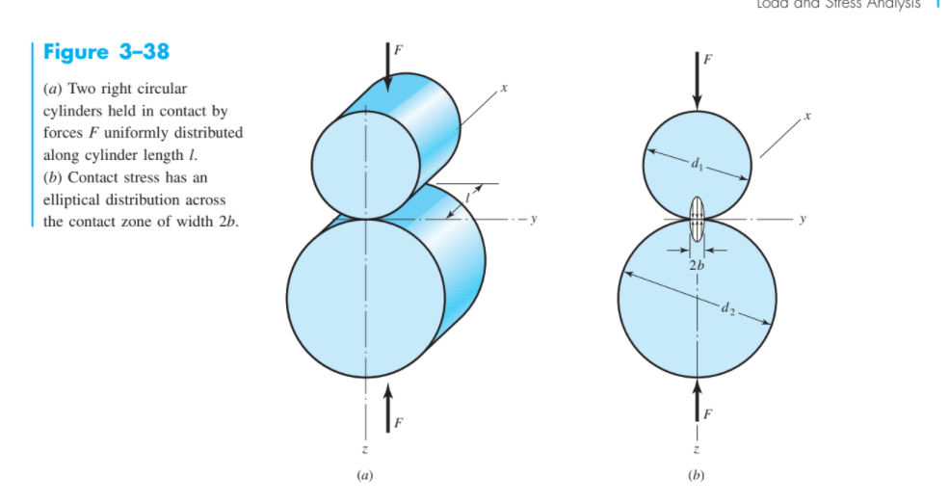
 | Parameter | Value
 | L | 2.17E-02
 | E1 | 2.00E+11 |  |  |  | b numerator | 5.18E-07
 | v1 | 0.275
 | E2 | 1.50E+09 |  |  |  | bdenom | 5.80E-01
 | v2 | 0.38
 | F | 450 |  |  |  | b | 0.00094481351034
 | d1 | 5.50E-03 |  |  |  | 2b(meters) | 0.0018896270207
 | d2 | -5.77E-03

 |  |  |  |  |  | pmax | 1.40E+07
n | z (n*b) | sigma x (MPA) | sigma y (MPA) | sigma z (MPA) | shear | von mises
0 | 0 | -1.06E+01 | -13.979350369 | -13.979350369 | 1.68E+00 | 3.36E+00
0.1 | 9.4481351034E-05 | -9.61E+00 | -11.392302909 | -13.909973512 | 2.15E+00 | 3.74E+00
0.2 | 0.00018896270207 | -8.71E+00 | -9.2127711496 | -13.707880831 | 2.50E+00 | 4.77E+00
0.3 | 0.0002834440531 | -7.90E+00 | -7.4123410746 | -13.389789234 | 2.74E+00 | 5.75E+00
0.4 | 0.00037792540414 | -7.19E+00 | -5.9494609871 | -12.979500972 | 2.89E+00 | 6.50E+00
0.5 | 0.00047240675517 | -6.57E+00 | -4.7759162549 | -12.503511083 | 3.863797414 | 7.8472964884
0.6 | 0.0005668881062 | -6.02E+00 | -3.842753319 | -11.987194048 | 4.0722203644 | 8.418188408
0.7 | 0.00066136945724 | -5.53E+00 | -3.1045229833 | -11.452330051 | 4.1739035337 | 8.7571946366
0.8 | 0.00075585080827 | -5.11E+00 | -2.5216075988 | -10.91603868 | 4.1972155405 | 8.9036799798
0.9 | 0.00085033215931 | -4.73E+00 | -2.0609848956 | -10.390769298 | 4.1648922011 | 8.8986509498
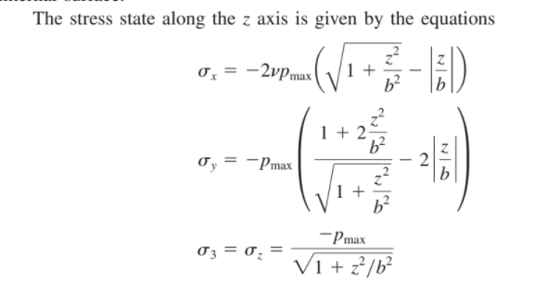
1 | 0.00094481351034 | -4.40E+00 | -1.6959795896 | -9.8848934428 | 4.0944569266 | 8.7805025678
1.1 | 0.0010392948614 | -4.11E+00 | -1.4054972429 | -9.4035286712 | 3.9990157141 | 8.5825814829
1.2 | 0.0011337762124 | -3.85E+00 | -1.1730837663 | -8.9493620239 | 3.8881391288 | 8.3321400768
1.3 | 0.0012282575634 | -3.61E+00 | -0.98600737217 | -8.5233603499 | 3.7686764889 | 8.0503321444
1.4 | 0.0013227389145 | -3.40E+00 | -0.83445416741 | -8.125332358 | 3.6454390953 | 7.7528578981
1.5 | 0.0014172202655 | -3.22E+00 | -0.71086505334 | -7.754348393 | 3.5217416698 | 7.4509036037
1.6 | 0.0015117016165 | -3.05E+00 | -0.60940898953 | -7.4090408777 | 3.3998159441 | 7.152123789
1.7 | 0.0016061829676 | -2.89E+00 | -0.52557406042 | -7.0878119935 | 3.2811189666 | 6.8615246133
1.8 | 0.0017006643186 | -2.75E+00 | -0.45585438663 | -6.7889726893 | 3.1665591514 | 6.5821913806
1.9 | 0.0017951456696 | -2.63E+00 | -0.39751230413 | -6.5108325678 | 3.0566601319 | 6.3158543247
2 | 0.0018896270207 | -2.51E+00 | -0.34839839548 | -6.2517555414 | 2.951678573 | 6.0633115821
2.1 | 0.0019841083717 | -2.40E+00 | -0.30681541921 | -6.0101921559 | 2.8516883683 | 5.8247365435
2.2 | 0.0020785897228 | -2.30E+00 | -0.27141531014 | -5.7846963423 | 2.7566405161 | 5.599896449
2.3 | 0.0021730710738 | -2.21E+00 | -0.24112101004 | -5.5739320129 | 2.6664055014 | 5.3883051904
2.4 | 0.0022675524248 | -2.12E+00 | -0.21506692876 | -5.376673219 | 2.5808031451 | 5.1893284921
2.5 | 0.0023620337759 | -2.05E+00 | -0.19255340021 | -5.1918003887 | 2.4996234942 | 5.0022552047
2.6 | 0.0024565151269 | -1.97E+00 | -0.1730116773 | -5.0182943249 | 2.4226413238 | 4.8263447897
2.7 | 0.0025509964779 | -1.90E+00 | -0.15597689061 | -4.8552290684 | 2.3496260889 | 4.6608582425
2.8 | 0.002645477829 | -1.84E+00 | -0.14106704948 | -4.7017643356 | 2.2803486431 | 4.5050776039
2.9 | 0.00273995918 | -1.78E+00 | -0.12796664829 | -4.5571379793 | 2.2145856655 | 4.3583176754
3 | 0.002834440531 | -1.72E+00 | -0.11641379956 | -4.4206587377 | 2.1521224691 | 4.2199324672
3.1 | 0.0029289218821 | -1.67E+00 | -0.1061900816 | -4.2916994249 | 2.0927546717 | 4.0893181323
3.2 | 0.0030234032331 | -1.62E+00 | -0.097112485902 | -4.1696906355 | 2.0362890748 | 3.9659135984
3.3 | 0.0031178845841 | -1.57E+00 | -0.089026997173 | -4.0541149884 | 1.9825439956 | 3.8491997322
3.4 | 0.0032123659352 | -1.53E+00 | -0.081803449307 | -3.9445019055 | 1.9313492281 | 3.7386976021
3.5 | 0.0033068472862 | -1.49E+00 | -0.075331383432 | -3.8404229007 | 1.8825457587 | 3.6339662266
3.6 | 0.0034013286372 | -1.45E+00 | -0.069516696949 | -3.7414873461 | 1.8359853246 | 3.5346000668
3.7 | 0.0034958099883 | -1.41E+00 | -0.064278919968 | -3.647338677 | 1.7915298785 | 3.4402264311
3.8 | 0.0035902913393 | -1.37E+00 | -0.059548991726 | -3.5576509973 | 1.7490510028 | 3.3505029049
3.9 | 0.0036847726903 | -1.34E+00 | -0.055267437331 | -3.4721260445 | 1.7084293036 | 3.2651148722
4 | 0.0037792540414 | -1.31E+00 | -0.051382866462 | -3.3904904794 | 1.6695538065 | 3.1837731688

 | Calculations |  | Simulation
 |  | Vertical | 15 Degrees | 30 Degrees
VM Stress (MPa) | 3.36 | 3.721 | 3.833 | 3.974

